All Models
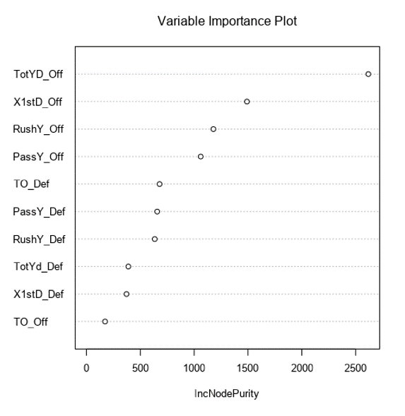
 | Predicted Score
 | 49ers | Chiefs | 49ers Weighted Score |  |  | Chiefs Weighted Score
Model 1 | 28.19 | 27.8 | 28.19 | 0.4 | 11.276 | 27.8 | 0.4 | 11.12
Model 2 | 41.1 | 29.17 | 41.1 | 0.3 | 12.33 | 29.17 | 0.3 | 8.751
Model 3 | 27.66 | 31.28 | 27.66 | 0.3 | 8.298 | 31.28 | 0.3 | 9.384
 |  |  |  |  | 31.90 |  |  | 29.26

Model 1 | Trained on 2017 & 2018 Data from Pro Football Reference's Website and Tested with 2019 Data
 | Used 10 Variables (Offense and Defense Stats) in the Multivariate Linear Regression Model
 | Computed the Average of the 10 variables for 2 years

Model 2 | Trained with 80% of 2019 Data from Pro Football Reference's Website. Tested with the remaining 20% of Data
 | Used 10 Variables (Offense and Defense Stats) in the Multivariate Linear Regression Model
 | Used the Median as the basis for all the variables to help predict the score for the Superbowl

Model 3 | Trained with 2018 Data from Pro Football Reference's Website. Tested with 2019 Data
 | Used 10 Variables (Offense and Defense Stats) in the Multivariate Linear Regression Model
 | Used the Median as the basis for all the variables to help predict the score for the Superbowl

I ran a random forest as well as a decision tree model to see the most important variables. (Total Yards, 1st Down, and Rushing Yards - All Offense)
But when I modelled the data using those variables I found the score did not change too much and the R2 value was also similar
I also tried using data from 2014 till 2019 to train and test my model, however since there was a lot of variability in the data, the model did not perform very well and I chose to not include it
in my overall ensemble model

 |  |  |  | 49ers - Random Forest

49ersM1
Model 1 | Trained on 2017 & 2018 Data from Pro Football Reference's Website and Tested with 2019 Data
 | Used 10 Variables (Offense and Defense Stats) in the Multivariate Linear Regression Model
 | Computed the Average of the 10 variables for 2 years

Predicted_Score | Actual_Score | X1stD_Off | TotYd_Off | PassY_Off | RushY_Off | TO_Off | X1stD_Def | TotYd_Def | PassY_Def | RushY_Def | TO_Def
24.228472646 | 31 | 17 | 256 | 158 | 98 | 2 | 21 | 295 | 174 | 121 | 4
44.851920804 | 41 | 27 | 571 | 312 | 259 | 1 | 14 | 316 | 291 | 25 | 1
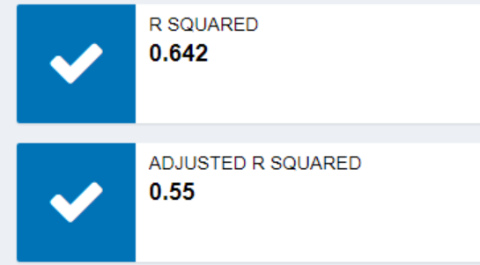
28.785401934 | 24 | 26 | 436 | 268 | 168 | 5 | 11 | 239 | 160 | 79 | 2
44.88993052 | 31 | 22 | 446 | 171 | 275 | 0 | 9 | 180 | 78 | 102 | 4
16.038689698 | 20 | 22 | 331 | 232 | 99 | 2 | 10 | 157 | 48 | 109 | 1
13.911965921 | 9 | 17 | 283 | 146 | 137 | 1 | 10 | 154 | 50 | 104 | 1
35.252285838 | 51 | 24 | 388 | 156 | 232 | 1 | 12 | 230 | 100 | 130 | 3
23.403870064 | 28 | 21 | 411 | 310 | 101 | 0 | 19 | 357 | 204 | 153 | 0
25.411964303 | 24 | 21 | 302 | 215 | 87 | 3 | 19 | 336 | 189 | 147 | 4
31.6694791 | 36 | 26 | 442 | 408 | 34 | 2 | 21 | 266 | 131 | 135 | 2
23.178332742 | 37 | 16 | 339 | 227 | 112 | 0 | 19 | 198 | 81 | 117 | 1
24.435045404 | 17 | 15 | 331 | 157 | 174 | 1 | 21 | 283 | 105 | 178 | 1
42.197744235 | 48 | 25 | 516 | 354 | 162 | 1 | 28 | 465 | 349 | 116 | 1
19.424465128 | 22 | 20 | 313 | 193 | 120 | 2 | 20 | 290 | 201 | 89 | 1
21.755758685 | 34 | 19 | 334 | 215 | 119 | 2 | 24 | 395 | 323 | 72 | 1
28.373037925 | 26 | 18 | 398 | 270 | 128 | 0 | 27 | 348 | 223 | 125 | 0
19.560416526 | 27 | 21 | 308 | 122 | 186 | 2 | 7 | 147 | 126 | 21 | 2
38.498282027 | 37 | 19 | 354 | 69 | 285 | 0 | 21 | 358 | 296 | 62 | 3
28.196486364 |  | 21 | 376 | 221 | 154 | 2 | 17 | 279 | 174 | 105 | 2

ChiefsM1
Model 1 | Trained on 2017 & 2018 Data from Pro Football Reference's Website and Tested with 2019 Data
 | Used 10 Variables (Offense and Defense Stats) in the Multivariate Linear Regression Model
 | Used the Average as the basis for all the variables to help predict the score for the Superbowl

Predicted_Score | Actual_Score | X1stD_Off | TotYd_Off | PassY_Off | RushY_Off | TO_Off | X1stD_Def | TotYd_Def | PassY_Def | RushY_Def | TO_Def
38.464393428 | 40 | 24 | 491 | 378 | 113 | 0 | 18 | 428 | 347 | 81 | 2
38.625027486 | 28 | 24 | 467 | 436 | 31 | 1 | 19 | 307 | 178 | 129 | 2
40.873176649 | 33 | 27 | 503 | 363 | 140 | 0 | 29 | 452 | 249 | 203 | 0
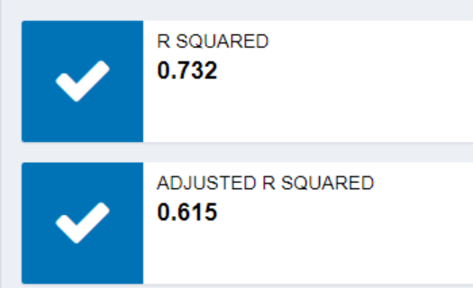
36.421123631 | 34 | 29 | 438 | 315 | 123 | 3 | 29 | 447 | 261 | 186 | 2
23.795406735 | 13 | 18 | 324 | 288 | 36 | 1 | 25 | 331 | 151 | 180 | 1
29.992030623 | 24 | 20 | 309 | 256 | 53 | 2 | 35 | 472 | 280 | 192 | 3
13.028370356 | 30 | 14 | 271 | 191 | 80 | 0 | 15 | 205 | 134 | 71 | 1
20.759534844 | 24 | 21 | 337 | 249 | 88 | 1 | 21 | 374 | 256 | 118 | 0
18.657017351 | 26 | 17 | 377 | 230 | 147 | 1 | 17 | 308 | 212 | 96 | 0
40.108994124 | 32 | 28 | 530 | 433 | 97 | 1 | 19 | 371 | 146 | 225 | 1
23.788839122 | 24 | 18 | 310 | 180 | 130 | 1 | 23 | 438 | 345 | 93 | 4
19.371397091 | 40 | 22 | 259 | 163 | 96 | 0 | 19 | 332 | 210 | 122 | 3
20.556416869 | 23 | 20 | 346 | 271 | 75 | 2 | 17 | 278 | 184 | 94 | 1
30.313795997 | 23 | 27 | 419 | 327 | 92 | 1 | 15 | 251 | 199 | 52 | 1
23.300092498 | 26 | 25 | 350 | 244 | 106 | 0 | 18 | 234 | 133 | 101 | 0
21.767677848 | 31 | 16 | 336 | 174 | 162 | 1 | 25 | 366 | 258 | 108 | 2
34.808636193 | 51 | 29 | 434 | 316 | 118 | 1 | 23 | 442 | 348 | 94 | 1
29.961296883 | 35 | 27 | 404 | 292 | 112 | 0 | 20 | 295 | 210 | 85 | 0
27.8055024 |  | 23 | 384 | 284 | 100 | 1 | 22 | 352 | 228 | 124 | 1

49erM2
Model 2 | Trained with 80% of 2019 Data from Pro Football Reference's Website. Tested with the remaining 20% of Data
 | Used 10 Variables (Offense and Defense Stats) in the Multivariate Linear Regression Model
 | Used the Median as the basis for all the variables to help predict the score for the Superbowl

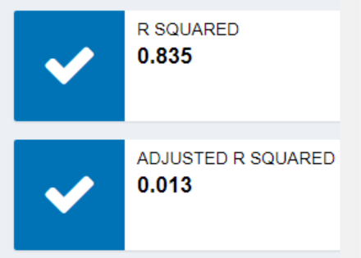
 |  | Superbowl Score Predicted
 |  | 41.1

ChiefM2
Model 2 | Trained with 80% of 2019 Data from Pro Football Reference's Website. Tested with the remaining 20% of Data
 | Used 10 Variables (Offense and Defense Stats) in the Multivariate Linear Regression Model
 | Used the Median as the basis for all the variables to help predict the score for the Superbowl
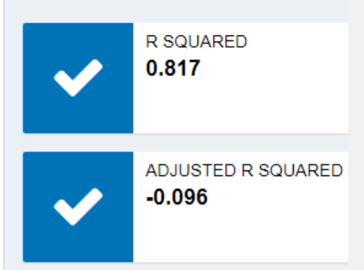
 |  | Superbowl Score Predicted
 |  | 29.17

49erM3
Model 3 | Trained with 2018 Data from Pro Football Reference's Website. Tested with 2019 Data
 | Used 10 Variables (Offense and Defense Stats) in the Multivariate Linear Regression Model
 | Used the 2019 Median as the basis for all the variables to help predict the score for the Superbowl
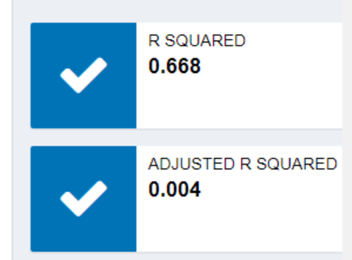

 |  | Superbowl Score Predicted
 |  | 27.66

ChiefM3
Model 3 | Trained with 2018 Data from Pro Football Reference's Website. Tested with 2019 Data
 | Used 10 Variables (Offense and Defense Stats) in the Multivariate Linear Regression Model
 | Used the 2019 Median as the basis for all the variables to help predict the score for the Superbowl

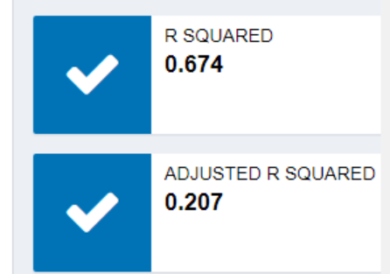

 |  | Superbowl Score Predicted
 |  | 31.28

